Results
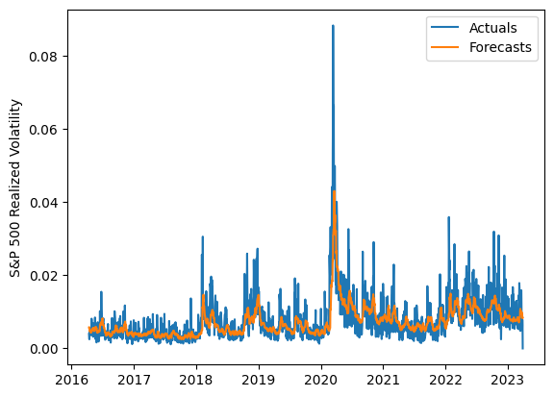
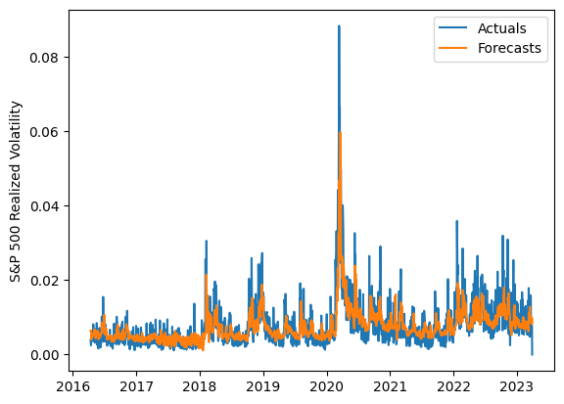
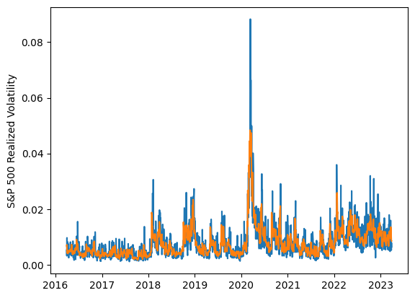
 | LSTM |  |  | TCN |  |  | NBEATSx |  |  |  |  | LSTM |  |  | TCN |  |  | NBEATSx
 | Accuracy | RMSE | Qlike | Accuracy | RMSE | Qlike | Accuracy | RMSE | Qlike |  |  | Accuracy | RMSE | Qlike | Accuracy | RMSE | Qlike | Accuracy | RMSE | Qlike
Trial 1 | 57.71% | 0.29% | 12.04% | 58.53% | 0.28% | 11.44% | 62.90% | 0.26% | 9.50% |  | Mean | 59.15% | 0.282% | 0.115 | 57.80% | 0.289% | 0.121 | 63.13% | 0.255% | 0.094
Trial 2 | 60.44% | 0.28% | 10.96% | 37.13% | 0.37% | 20.36% | 63.86% | 0.25% | 9.38% |  | Standard Deviation | 3.23% | 0.005% | 0.011 | 6.28% | 0.022% | 0.024 | 0.64% | 0.003% | 0.004
Trial 3 | 60.88% | 0.28% | 10.93% | 63.21% | 0.29% | 10.50% | 62.59% | 0.26% | 9.59% |  | 95% CI upper bound | 65.61% | 0.291% | 0.136 | 70.37% | 0.334% | 0.170 | 64.40% | 0.262% | 0.101
Trial 4 | 59.38% | 0.28% | 11.46% | 59.51% | 0.28% | 11.34% | 63.00% | 0.25% | 9.05% |  | 95% CI lower bound | 52.68% | 0.273% | 0.094 | 45.24% | 0.244% | 0.072 | 61.86% | 0.248% | 0.086
Trial 5 | 56.66% | 0.28% | 12.21% | 56.55% | 0.29% | 12.51% | 62.67% | 0.26% | 9.78% |  | 99.7% CI upper bound | 68.84% | 0.296% | 0.147 | 76.65% | 0.356% | 0.194 | 65.04% | 0.265% | 0.105
Trial 6 | 58.48% | 0.28% | 11.53% | 55.06% | 0.29% | 12.96% | 62.97% | 0.26% | 10.14% |  | 99.7% CI lower bound | 49.45% | 0.268% | 0.084 | 38.96% | 0.221% | 0.048 | 61.22% | 0.245% | 0.083
Trial 7 | 55.50% | 0.29% | 12.92% | 60.71% | 0.28% | 11.00% | 62.96% | 0.25% | 9.12%
Trial 8 | 53.79% | 0.29% | 13.27% | 60.68% | 0.29% | 11.30% | 63.86% | 0.25% | 8.94%
Trial 9 | 55.87% | 0.29% | 12.61% | 59.36% | 0.28% | 11.47% | 63.14% | 0.26% | 9.52%
Trial 10 | 56.82% | 0.29% | 12.33% | 59.40% | 0.28% | 11.46% | 62.67% | 0.26% | 9.68%
Trial 11 | 62.14% | 0.28% | 10.52% | 60.54% | 0.28% | 11.13% | 63.92% | 0.25% | 9.14%
Trial 12 | 65.45% | 0.28% | 9.73% | 62.74% | 0.28% | 10.19% | 63.42% | 0.25% | 9.06%
Trial 13 | 63.74% | 0.28% | 9.97% | 53.94% | 0.29% | 13.31% | 62.85% | 0.26% | 9.69%
Trial 14 | 59.01% | 0.28% | 11.46% | 61.61% | 0.28% | 10.75% | 64.30% | 0.25% | 8.72%
Trial 15 | 61.35% | 0.28% | 10.71% | 58.10% | 0.29% | 11.79% | 61.86% | 0.26% | 9.46%

 | LSTM (best trial) |  |  |  |  |  |  |  |  | TCN (best trial) |  |  |  |  |  |  |  |  | NBEATSx (best trial)

